Sheet1
Report Date: | 2023-12-19

Baseline: Average 22 to 26 degrees celcius
Floor | DEK Name | Equipment Name | No. of CRACs (Running) | No. of CRACs (N) | Cooling Cap (Kw) | Min Avg Temperature | Maximum Avg Temperature | Average Temperature
7F | 7-CRACRm-CRAC-01 | Main CRAC 7F-1 | 1 | 1 | 105.48
 | 7-CRACRm-CRAC-02 | Main CRAC 7F-2 | 1 | 1 | 105.48
 | 7-CRACRm-CRAC-03 | Main CRAC 7F-3 | 1 | 1 | 105.48
 | 7-CRACRm-CRAC-04 | Main CRAC 7F-4 | 1 | 1 | 105.48
6F | 6-CRACRm-CRAC-01 | Main CRAC 6F-1 | 1 | 1 | 105.48
 | 6-CRACRm-CRAC-02 | Main CRAC 6F-2 | 1 | 1 | 105.48
 | 6-CRACRm-CRAC-03 | Main CRAC 6F-3 | 1 | 1 | 105.48
 | 6-CRACRm-CRAC-04 | Main CRAC 6F-4 | 1 | 1 | 105.48
 | 6-DaHall 1-CRAC-01 | Aux. CRAC 6F-1 | 1 | 1 | 70.32
 | 6-DaHall 1-CRAC-02 | Aux. CRAC 6F-2 | 1 | 1 | 70.32
 | 6-DaHall 1-CRAC-03 | Aux. CRAC 6F-3 | 1 | 1 | 70.32
5F | 5-CRACRm-CRAC-01 | Main CRAC 5F-1 | 1 | 1 | 105.48
 | 5-CRACRm-CRAC-02 | Main CRAC 5F-2 | 1 | 1 | 105.48
 | 5-CRACRm-CRAC-03 | Main CRAC 5F-3 | 1 | 1 | 105.48
 | 5-CRACRm-CRAC-04 | Main CRAC 5F-4 | 1 | 1 | 105.48
 | 5-DaHall 1-CRAC-13 | CF CRAC-#01 | 0 | 1 | 32.55
 | 5-DaHall 1-CRAC-14 | CF CRAC-#02 | 0 | 1 | 32.55
 | 5-DaHall 1-CRAC-01 | LG CRAC-#01 | 0 | 1 | 32.55
 | 5-DaHall 1-CRAC-02 | LG CRAC-#02 | 1 | 1 | 32.55
 | 5-DaHall 1-CRAC-03 | LG CRAC-#03 | 0 | 1 | 32.55
 | 5-DaHall 1-CRAC-04 | LG CRAC-#04 | 1 | 1 | 32.55
 | 5-DaHall 1-CRAC-05 | LG CRAC-#05 | 0 | 1 | 32.55
 | 5-DaHall 1-CRAC-06 | LG CRAC-#06 | 1 | 1 | 32.55
 | 5-DaHall 1-CRAC-07 | LG CRAC-#07 | 0 | 1 | 32.55
 | 5-DaHall 1-CRAC-08 | LG CRAC-#08 | 0 | 1 | 32.55
 | 5-DaHall 1-CRAC-09 | LG CRAC-#09 | 0 | 1 | 32.55
 | 5-DaHall 1-CRAC-10 | LG CRAC-#10 | 0 | 1 | 32.55
 | 5-DaHall 1-CRAC-11 | LG CRAC-#11 | 0 | 1 | 32.55
 | 5-DaHall 1-CRAC-12 | LG CRAC-#12 | 0 | 1 | 32.55
 | 5-DaHall 1-CRAC-15 | Aux. CRAC 5F-1 | 0 | 1 | 24.4
 | 5-DaHall 1-CRAC-16 | Aux. CRAC 5F-2 | 0 | 1 | 24.4
4F | 4-CRACRm-CRAC-01 | Main CRAC 4F-1 | 1 | 1 | 105.48
 | 4-CRACRm-CRAC-02 | Main CRAC 4F-2 | 1 | 1 | 105.48
 | 4-CRACRm-CRAC-03 | Main CRAC 4F-3 | 1 | 1 | 105.48
 | 4-CRACRm-CRAC-04 | Main CRAC 4F-4 | 1 | 1 | 105.48
 | 4-DaHall 1-CRAC-05 | Aux.E_CRAC 4F-1 | 1 | 1 | 65
 | 4-DaHall 1-CRAC-06 | Aux.E_CRAC 4F-2 | 1 | 1 | 65
 | 4-DaHall 1-CRAC-02 | Aux. CRAC 4F-1 | 1 | 1 | 16.3
 | 4-DaHall 1-CRAC-03 | Aux. CRAC 4F-2 | 1 | 1 | 16.3
 | 4-DaHall 1-CRAC-04 | Aux. CRAC 4F-3 | 1 | 1 | 16.3
 | 4-DaHall 1-CRAC-01 | Aux. CRAC 4F-4 | 1 | 1 | 35 |  |  |  | Not connected with FMS

Baseline: Average 30 to 70 % RH
Floor | DEK Name | Equipment Name | No. of CRACs (Running) | No. of CRACs (N) | Cooling Cap (Kw) | Min Avg Humidity | Maximum Avg Humidity | Average Humidity
7F | 7-CRACRm-CRAC-01 | Main CRAC 7F-1 | 1 | 1 | 105.48 |  |  |  |  | 7-1 Collecting integrated data
 | 7-CRACRm-CRAC-02 | Main CRAC 7F-2 | 1 | 1 | 105.48 |  |  |  |  | 7-2 Collecting integrated data
 | 7-CRACRm-CRAC-03 | Main CRAC 7F-3 | 1 | 1 | 105.48 |  |  |  |  | 7-3 Collecting integrated data
 | 7-CRACRm-CRAC-04 | Main CRAC 7F-4 | 1 | 1 | 105.48 |  |  |  |  | 7-4 Collecting integrated data
6F | 6-CRACRm-CRAC-01 | Main CRAC 6F-1 | 1 | 1 | 105.48 |  |  |  |  | 6-1,6-2 Collecting integrated data
 | 6-CRACRm-CRAC-02 | Main CRAC 6F-2 | 1 | 1 | 105.48 |  |  |  |  | 6-1,6-2 Collecting integrated data
 | 6-CRACRm-CRAC-03 | Main CRAC 6F-3 | 1 | 1 | 105.48 |  |  |  |  | 6-3,6-4 Collecting integrated data
 | 6-CRACRm-CRAC-04 | Main CRAC 6F-4 | 1 | 1 | 105.48 |  |  |  |  | 6-3,6-4 Collecting integrated data
5F | 5-CRACRm-CRAC-01 | Main CRAC 5F-1 | 1 | 1 | 105.48 |  |  |  |  | 5-1 Collecting integrated data
 | 5-CRACRm-CRAC-02 | Main CRAC 5F-2 | 1 | 1 | 105.48 |  |  |  |  | 5-2 Collecting integrated data
 | 5-CRACRm-CRAC-03 | Main CRAC 5F-3 | 1 | 1 | 105.48 |  |  |  |  | 5-3 Collecting integrated data
 | 5-CRACRm-CRAC-04 | Main CRAC 5F-4 | 1 | 1 | 105.48 |  |  |  |  | 5-4 Collecting integrated data
 | 5-DaHall 1-CRAC-13 | CF CRAC-#01 | 0 | 1 | 32.55 |  |  |  | Stand-by CRAC
 | 5-DaHall 1-CRAC-14 | CF CRAC-#02 | 0 | 1 | 32.55 |  |  |  | Stand-by CRAC
 | 5-DaHall 1-CRAC-01 | LG CRAC-#01 | 0 | 1 | 32.55 |  |  |  | Stand-by CRAC
 | 5-DaHall 1-CRAC-02 | LG CRAC-#02 | 1 | 1 | 32.55
 | 5-DaHall 1-CRAC-03 | LG CRAC-#03 | 0 | 1 | 32.55 |  |  |  | Stand-by CRAC
 | 5-DaHall 1-CRAC-04 | LG CRAC-#04 | 1 | 1 | 32.55
 | 5-DaHall 1-CRAC-05 | LG CRAC-#05 | 0 | 1 | 32.55 |  |  |  | Stand-by CRAC
 | 5-DaHall 1-CRAC-06 | LG CRAC-#06 | 1 | 1 | 32.55
 | 5-DaHall 1-CRAC-07 | LG CRAC-#07 | 0 | 1 | 32.55 |  |  |  | Stand-by CRAC
 | 5-DaHall 1-CRAC-08 | LG CRAC-#08 | 0 | 1 | 32.55 |  |  |  | Stand-by CRAC
 | 5-DaHall 1-CRAC-09 | LG CRAC-#09 | 0 | 1 | 32.55 |  |  |  | Stand-by CRAC
 | 5-DaHall 1-CRAC-10 | LG CRAC-#10 | 0 | 1 | 32.55 |  |  |  | Stand-by CRAC
 | 5-DaHall 1-CRAC-11 | LG CRAC-#11 | 0 | 1 | 32.55 |  |  |  | Stand-by CRAC
 | 5-DaHall 1-CRAC-12 | LG CRAC-#12 | 0 | 1 | 32.55 |  |  |  | Stand-by CRAC
 | 5-DaHall 1-CRAC-15 | Aux. CRAC 5F-1 | 0 | 1 | 24.4 |  |  |  | Stand-by CRAC
 | 5-DaHall 1-CRAC-16 | Aux. CRAC 5F-2 | 0 | 1 | 24.4 |  |  |  | Stand-by CRAC
4F | 4-CRACRm-CRAC-01 | Main CRAC 4F-1 | 1 | 1 | 105.48 |  |  |  |  | 4-1 Collecting integrated data
 | 4-CRACRm-CRAC-02 | Main CRAC 4F-2 | 1 | 1 | 105.48 |  |  |  |  | 4-2 Collecting integrated data
 | 4-CRACRm-CRAC-03 | Main CRAC 4F-3 | 1 | 1 | 105.48 |  |  |  |  | 4-3 Collecting integrated data
 | 4-CRACRm-CRAC-04 | Main CRAC 4F-4 | 1 | 1 | 105.48 |  |  |  |  | 4-4 Collecting integrated data
 | 4-DaHall 1-CRAC-05 | Aux.E_CRAC 4F-1 | 1 | 1 | 65
 | 4-DaHall 1-CRAC-06 | Aux.E_CRAC 4F-2 | 1 | 1 | 65
 | 4-DaHall 1-CRAC-02 | Aux. CRAC 4F-1 | 1 | 1 | 16.3
 | 4-DaHall 1-CRAC-03 | Aux. CRAC 4F-2 | 1 | 1 | 16.3
 | 4-DaHall 1-CRAC-04 | Aux. CRAC 4F-3 | 1 | 1 | 16.3
 | 4-DaHall 1-CRAC-01 | Aux. CRAC 4F-4 | 1 | 1 | 35 |  |  |  | Not connected with FMS
6F | 6-DaHall 1-CRAC-01 | Aux. CRAC 6F-1 | 1 | 1 | 70.32
 | 6-DaHall 1-CRAC-02 | Aux. CRAC 6F-2 | 1 | 1 | 70.32
 | 6-DaHall 1-CRAC-03 | Aux. CRAC 6F-3 | 1 | 1 | 70.32

 |  | Note: To ensure all temperature sensors are at the cold aisle
 |  | Hot standby according to current load +20%

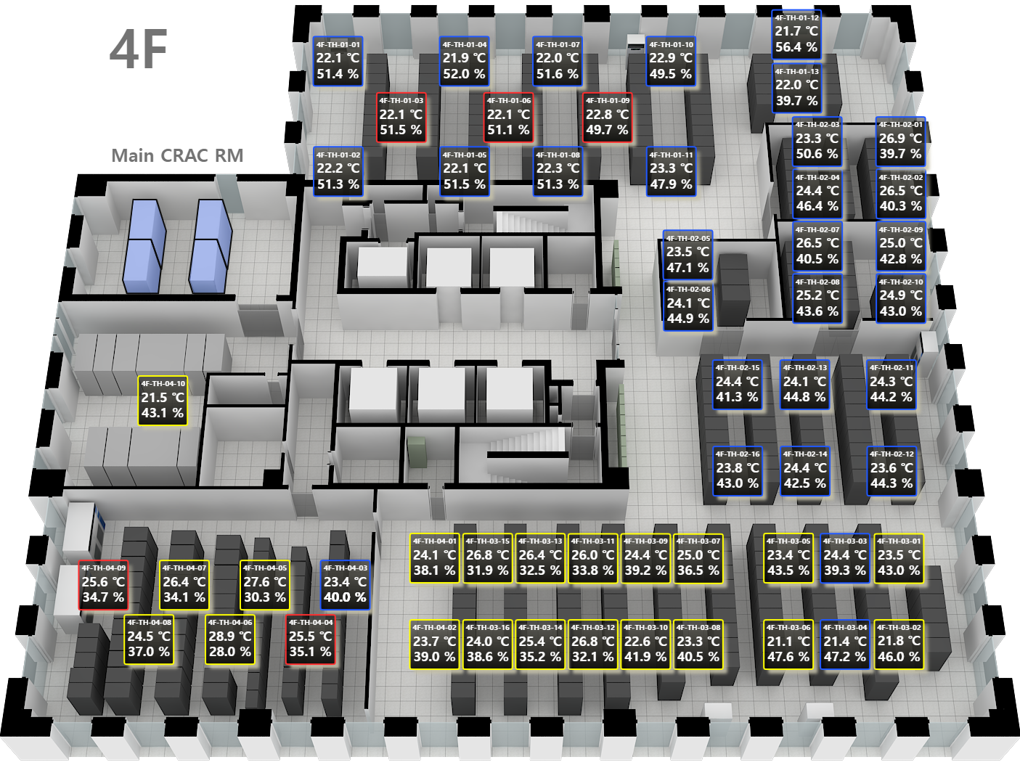
 | Device Name | 4/F |  | 5/F | 6/F |  | 7/F
 |  | Average Temp. | Ave Hum. | Average Temp. | Average Temp. | Ave Hum. | Average Temp. | Ave Hum.
 | TH-01-01
 | TH-01-02
 | TH-01-03
 | TH-01-04
 | TH-01-05
 | TH-01-06
 | TH-01-07
 | TH-01-08
 | TH-01-09
 | TH-01-10
 | TH-01-11
 | TH-01-12
 | TH-01-13
 | TH-01-14
 | TH-01-15
 | TH-01-16
 | TH-02-01
 | TH-02-02
 | TH-02-03
 | TH-02-04
 | TH-02-05
 | TH-02-06
 | TH-02-07
 | TH-02-08
 | TH-02-09
 | TH-02-10
 | TH-02-11
 | TH-02-12
 | TH-02-13
 | TH-02-14
 | TH-02-15
 | TH-02-16
 | TH-03-01
 | TH-03-02
 | TH-03-03
 | TH-03-04
 | TH-03-05
 | TH-03-06
 | TH-03-07
 | TH-03-08
 | TH-03-09
 | TH-03-10
 | TH-03-11
 | TH-03-12
 | TH-03-13
 | TH-03-14
 | TH-03-15
 | TH-03-16
 | TH-04-01
 | TH-04-02
 | TH-04-03
 | TH-04-04
 | TH-04-05
 | TH-04-06
 | TH-04-07
 | TH-04-08
 | TH-04-09
 | TH-04-10
 | TH-04-11
 | TH-04-12
 | TH-04-13
 | TH-05-01
 | TH-05-02
 | TH-05-03
 | TH-05-04
 | TH-05-05
 | TH-05-06
 | TH-05-07
 | TH-05-08
 | TH-05-09
 | TH-05-10
 | TH-05-11
 | TH-05-12

